S.no. Lot data
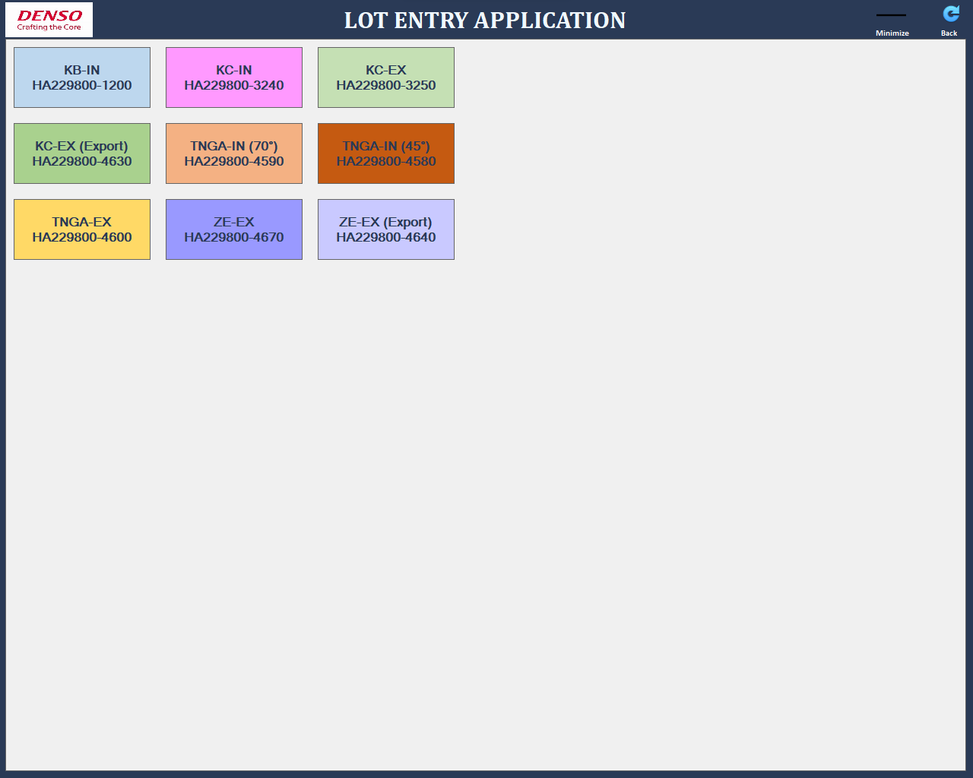
Daywise summary
MODELNO | Date & Time | S.no. | Housing type | Housing lot no. | Rotor type | Rotor Lot no. | Sprocket type | Sprocket lot no. | XXX Name | XXXX lot no.
HA229800-3240 | 1/2/07 | 220001 | HOUSING (INHOUSE) | 27-02-2024-A-L3 | ROTOR (INHOUSE) | 26-02-2024-A-L2 | XXX | XXX | XXX Name | XXXX lot no.
 |  | 210001 | HOUSING (INHOUSE) | 27-02-2024-A-L3 | ROTOR (INHOUSE) | 26-02-2024-A-L2 | XXX | XXX
 |  | 220002 | HOUSING (INHOUSE) | 27-02-2024-A-L3 | ROTOR (INHOUSE) | 26-02-2024-A-L2 | XXX | XXX
 |  | 210002 | HOUSING (INHOUSE) | 27-02-2024-A-L3 | ROTOR (INHOUSE) | 26-02-2024-A-L2 | XXX | XXX
Similar data for all child parts
 |  | 220003 | HOUSING (INHOUSE) | 27-02-2024-A-L3 | ROTOR (INHOUSE) | 26-02-2024-A-L2 | XXX | XXX
 |  | 210003 | HOUSING (INHOUSE) | 27-02-2024-A-L3 | ROTOR (INHOUSE) | 26-02-2024-A-L2 | XXX | XXX
 |  | 220004 | HOUSING (INHOUSE) | 27-02-2024-A-L3 | ROTOR (INHOUSE) | 24-02-2024-A-L2 | XXX | XXX
 |  | 210004 | HOUSING (INHOUSE) | 27-02-2024-A-L3 | ROTOR (INHOUSE) | 24-02-2024-A-L2 | XXX | XXX
Range of dates
 |  | 220005 | HOUSING (INHOUSE) | 27-02-2024-A-L3 | ROTOR (INHOUSE) | 24-02-2024-A-L2 | XXXXX | XXXXX
As per washing date & time
 |  | 210005 | HOUSING (INHOUSE) | 27-02-2024-A-L3 | ROTOR (INHOUSE) | 24-02-2024-A-L2 | XXXXX | XXXXX
Single date
 |  | 220006 | HOUSING (INHOUSE) | 27-02-2024-A-L3 | ROTOR (INHOUSE) | 24-02-2024-A-L2 | XXXXX | XXXXX
 |  | 210006 | HOUSING (INHOUSE) | 27-02-2024-A-L3 | ROTOR (INHOUSE) | 24-02-2024-A-L2 | XXXXX | XXXXX
Generate
 |  | 220007 | HOUSING (INHOUSE) | 27-02-2024-A-L3 | ROTOR (INHOUSE) | 24-02-2024-A-L2 | XXXXX | XXXXX
 |  | 210007 | HOUSING (INHOUSE) | 27-02-2024-A-L3 |  |  | XXXXX | XXXXX
Step1 :Select single date or range date to generate the S.no. wise lot data

HA229800-3250

-Dummy serial no. created
-Serial no starts from 21001 & 22001 as we have 2 Performance mc, 21 stands for Line2 & MC1,22 stands for Line2 &MC2
-S.no. restart for each model
S.no. restart for Date change for each model (Even if same model run 2 times/day)
Step 2: Press "Generate " to Open & download the Csv file as shown on left

HA229800-1200

Additional request

All models detaewise data in single csv file

